Quotation
SUNON TECHNOLOGY CO.,LTD.
Building 6, Sunon Technological Innovation Park, 1666 Zhixing Road, Xiaoshan District, Hangzhou City, Zhejiang Province, China

Project: BRENNTAG |  |  |  |  |  |  |  |  | REF:
To: SERRANO PLUS |  |  |  |  |  |  |  |  | DATE:
 |  |  |  |  |  |  |  |  | PAGE:
No. | Item Name | Photo | Description | Dimension | Color | Q'ty | Vol. | Tot.Vol. | Unit Price | Tot.Price | UNIT PRICE | TOTAL
- 1.2 PRIVATE OFFICES |  |  |  |  |  |  |  | - 1.2 PRIVATE OFFICES Tot.Price : | $6,751.00
1 | DV71-2.200100 I-Varna II Conference Table | 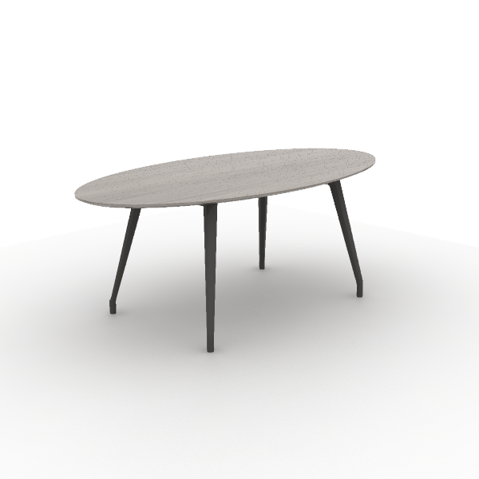 | Material Description: 1)Irregular-shaped conference table 2)Tabletop: 25mm, surface uses impregnated melamine paper for excellent stability, superior layering, strong resistance to dirt and wear; E0 grade particle board 3)Edge banding: the tabletop uses ABS laser edge banding strips, thickness 2.5mm 4)Table Legs: 45-degree aluminum alloy die-casting angled legs, with polished or electrostatic powder coating surface 5)Cable Box: dual-flip cover, made of aluminum alloy | 2,000*1,000*750 mm | Main Color: S-84 Kata grey oak Steel foot color: Meteor grey Match color : S-59 Meteor Grey | 1 | 0.16 m³ | 0.16 m³ | $340.00 | $340.00 | $2,266.67 | $2,266.67
2 | DT211.080080 Round Cafe Table | 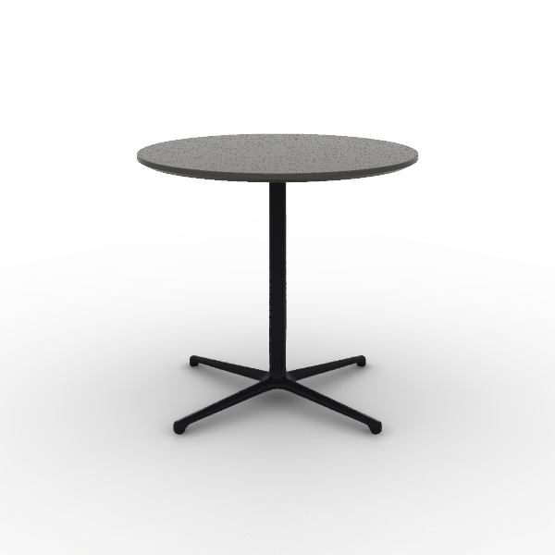 | Material Description: 1)Round coffee table 2)Tabletop: 25mm, surface uses impregnated melamine paper for excellent stability, superior layering, strong resistance to dirt and wear; E0 grade particle board 3)Edge banding: the tabletop uses PVC edge banding strips, thickness 2.5mm 4)Support Frame: round tube made of Q235 steel, 4-star bases in die-cast aluminum alloy, electrostatic powder coating | 800*800*750 mm | Surface Color: S-59 Meteor Gray Base Color: Matte black | 2 | 0.08 m³ | 0.16 m³ | $107.00 | $214.00 | $713.33 | $1,426.67
3 | CLG65SW Locke Task Chair | 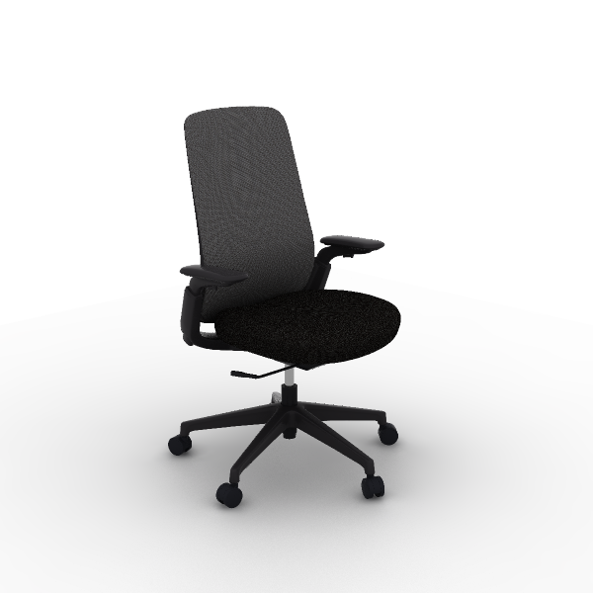 | Material Description: 1)Finishing: high-quality mesh, dry rubbing fastness ≥ 4, abrasion resistance ≥ 12000 cycles 2)Chair Back: nylon + 30% fiberglass integrated back frame 3)Seat Cushion: molded foam, density ≥ 55kg/m3, equipped with E1 grade bentwood board, PP seat shell, weight capacity 136kg 4)Armrests: 4D, PU armrests 5)Chair Bases: Zhongtai mechanism 6)Gas Cylinder: SAMHONGSA class 3 gas cylinder, Stroke:82±3mm 7)5-Star Bases: 700mm diameter nylon 5-star base 8)Chair Casters: PU casters Function Description: 1)Lumbar Support Adjustment: vertical adjustment by 50mm 2)4D Quick Installation Armrests:uses quick installation design, armrests adjustable vertically by 70mm,rotatable left and right by 15°,forward and backward sliding by 30mm,width adjustable by 16mm | 665*585*1,020 mm | Back & Lumbar Support: CW-HD14 Cloudy Gray Seat: TM-LE10 Dark Night Blac | 10 | 0.19 m³ | 1.87 m³ | $105.00 | $1,050.00 | $700.00 | $7,000.00
4 | CMJ14GH MJ Multipurpose | 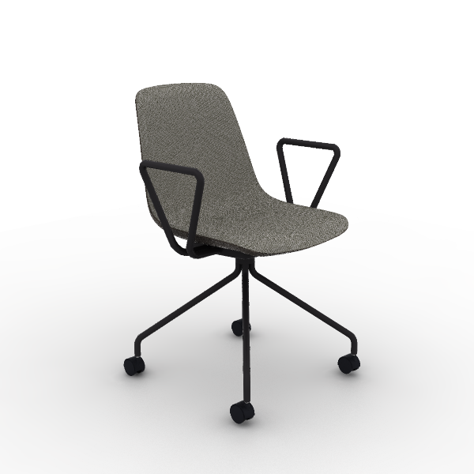 | Material Description: 1)Fabric Combination: Inner seat with premium linen, dry rub fastness ≥4, abrasion resistance ≥6,000 times; outer back with PVC leather, fold endurance ≥30,000 times, no cracks 2)Chair Body: Cut cotton, density 25kg/m3 ±1.5, E1 grade bentwood seat, supports 102kg 3)Chair Frame: steel frame, 19mm round tube, 1.8mm thickness, includes a 14mm diameter, 463mm long reinforced round steel, powder-coated 4)Chair Casters: PA casters | 580*560*825 mm | Seat: TM-CI21B Grey Back: TP-PV27H Meteor Grey Base: Refined Ink Black | 10 | 0.21 m³ | 2.06 m³ | $64.00 | $640.00 | $426.67 | $4,266.67
5 | SF46.1.MR.G Flower 2 II Lounge Chairs | 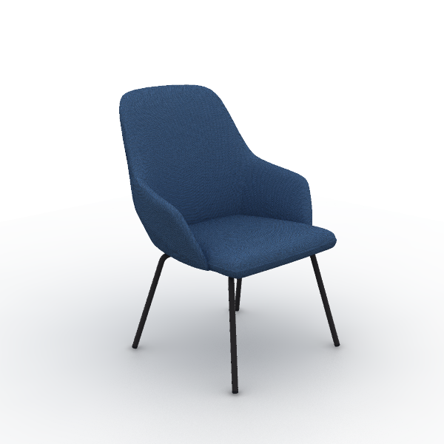 | Material Description: 1)Finishing: linen fabric, dry rubbing color fastness grade 3-4, wet rubbing color fastness ≥ grade 3, abrasion resistance ≥ 12,000 times 2)Foam: backrest uses molded foam, density ≥50kg/m3, resilience ≥35%, with welded steel frame; seat cushion uses high resilience foam, seat density ≥30kg/m3 3)Sofa Legs: steel Sofa Legs, electrostatic powder coating, 1.5mm hollow round tube | 650*630*880 mm | Color: TM-CI81B Dark Blue Steel Base: Matte Refined Ink Black | 20 | 0.24 m³ | 4.80 m³ | $112.50 | $2,250.00 | $750.00 | $15,000.00
6 | lido derecho | 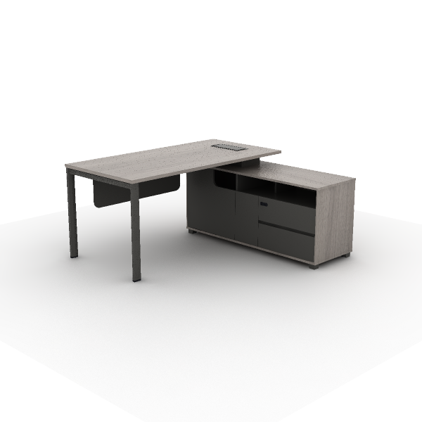 | Material Description: 1)Tabletop: 25mm, surface uses impregnated melamine paper for excellent stability, superior layering, strong resistance to dirt and wear; E0 grade particle board 2)Cabinet: the main body surface covered with impregnated melamine paper. E0 grade particleboard 3)Edge banding: the table top uses PVC edge banding strips,thickness 2.5mm; the cabinet body uses PVC edge banding strips,thickness 1mm 4)Edge Banding: the cabinet uses high quality PVC edge banding strips, thickness 1mm for the cabinet, thickness 2.5mm for cabinet side panels 5)Modesty Panel: 8mm thickness, surface covered with impregnated melamine paper for excellent stability, superior layering, and strong resistance to dirt and wear. E0 grade MDF 6)Edge Banding: the modesty panel uses PVC edge banding strips, thickness 0.8mm 7)Beam: high-quality cold-rolled steel, with an electrostatic powder coating on the surface, 1.5mm thickness 8)Slide Rail: high-quality slide rail 9)Hinges: damping buffer hinge 10)Lock: mechanical combination locks 11)Cable Box: standard flip-top cable box, made of aluminum alloy + ABS Process Description: 1)Wrapped Drawer: Integral molding wrapping Technique, odorless, environmentally friendly, and healthy; tight seamless frame connection; resistant to thermal cycles without cracking, fissures, wrinkles, or bubbles 2)Edge Banding: panels use Z-edge banding technology, Z-shaped molding in one step, aesthetically pleasing without glue seams 3)Beveling Technique: panel edge with 5mm thickness, beveled at 45°, bevel distance 13mm, smooth, not easily damaged or detached Function Description: 1)Cable management: bottom entry, top exit for side cabinet |  |  | 5 | 0.00 m³ | 0.00 m³ | $220.00 | $1,100.00 | $1,466.67 | $7,333.33
7 | lido ejecutivo | 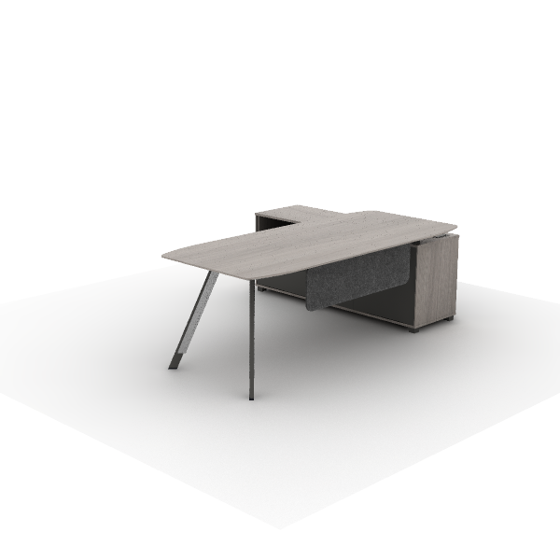 | Material Description: 1)Tabletop: 25mm, surface uses impregnated melamine paper for excellent stability, superior layering, strong resistance to dirt and wear; E0 grade particle board 2)Cabinet: the main body surface covered with impregnated melamine paper. E0 grade particleboard 3)Edge banding: the table top uses PVC edge banding strips,thickness 2.5mm; the cabinet body uses PVC edge banding strips,thickness 1mm 4)Edge Banding: the cabinet uses high quality PVC edge banding strips, thickness 1mm for the cabinet, thickness 2.5mm for cabinet side panels 5)Modesty Panel: 12mm width, polyester fiber, zero formaldehyde emission. 6)Beam: high-quality cold-rolled steel, with an electrostatic powder coating on the surface, 1.5mm thickness 7)Slide Rail: high-quality slide rail 8)Hinges: damping buffer hinge 9)Lock: mechanical combination locks 10)Cable Box: standard flip-top cable box, made of aluminum alloy + ABS Process Description: 1)Wrapped Drawer: Integral molding wrapping Technique, odorless, environmentally friendly, and healthy; tight seamless frame connection; resistant to thermal cycles without cracking, fissures, wrinkles, or bubbles 2)Edge Banding: panels use Z-edge banding technology, Z-shaped molding in one step, aesthetically pleasing without glue seams 3)Beveling Technique: panel edge with 10mm thickness, beveled at 22°, bevel distance 38mm, smooth, not easily damaged or detached 4)Beveling Technique: panel edge with 5mm thickness, beveled at 45°, bevel distance 13mm, smooth, not easily damaged or detached Function Description: 1)Cable management: bottom entry, top exit for side cabinet |  |  | 1 | 0.00 m³ | 0.00 m³ | $277.00 | $277.00 | $1,846.67 | $1,846.67
8 | lido izq | 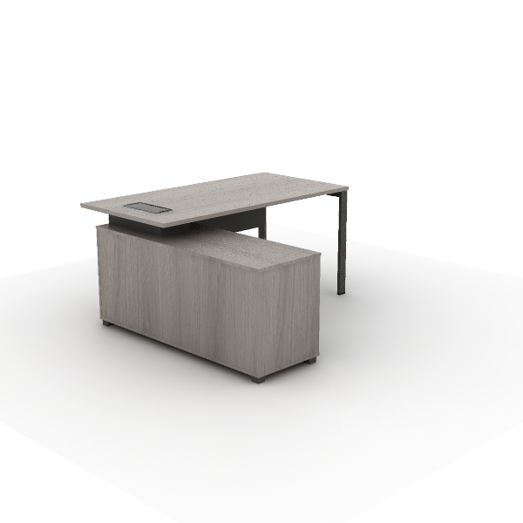 | Material Description: 1)Tabletop: 25mm, surface uses impregnated melamine paper for excellent stability, superior layering, strong resistance to dirt and wear; E0 grade particle board 2)Cabinet: the main body surface covered with impregnated melamine paper. E0 grade particleboard 3)Edge banding: the table top uses PVC edge banding strips,thickness 2.5mm; the cabinet body uses PVC edge banding strips,thickness 1mm 4)Edge Banding: the cabinet uses high quality PVC edge banding strips, thickness 1mm for the cabinet, thickness 2.5mm for cabinet side panels 5)Modesty Panel: 8mm thickness, surface covered with impregnated melamine paper for excellent stability, superior layering, and strong resistance to dirt and wear. E0 grade MDF 6)Edge Banding: the modesty panel uses PVC edge banding strips, thickness 0.8mm 7)Beam: high-quality cold-rolled steel, with an electrostatic powder coating on the surface, 1.5mm thickness 8)Slide Rail: high-quality slide rail 9)Hinges: damping buffer hinge 10)Lock: mechanical combination locks 11)Cable Box: standard flip-top cable box, made of aluminum alloy + ABS Process Description: 1)Wrapped Drawer: Integral molding wrapping Technique, odorless, environmentally friendly, and healthy; tight seamless frame connection; resistant to thermal cycles without cracking, fissures, wrinkles, or bubbles 2)Edge Banding: panels use Z-edge banding technology, Z-shaped molding in one step, aesthetically pleasing without glue seams 3)Beveling Technique: panel edge with 5mm thickness, beveled at 45°, bevel distance 13mm, smooth, not easily damaged or detached Function Description: 1)Cable management: bottom entry, top exit for side cabinet |  |  | 4 | 0.00 m³ | 0.00 m³ | $220.00 | $880.00 | $1,466.67 | $5,866.67
- 1. WORKSTATIONS |  |  |  |  |  |  |  | - 1. WORKSTATIONS Tot.Price : | $8,777.50 |  | $58,516.67 | $0.00
9 | DG65-2.200085 Storage Cabinets | 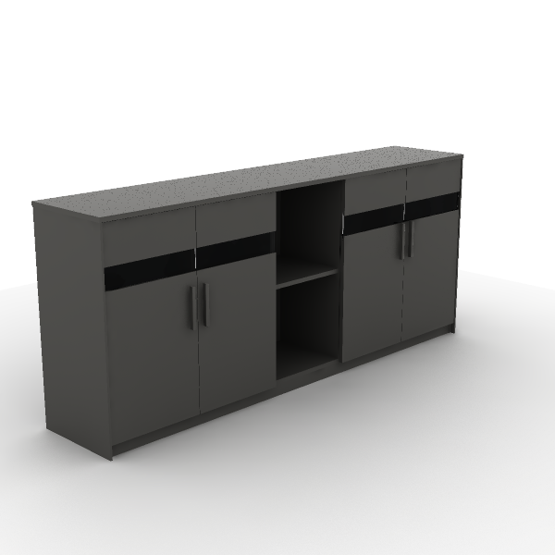 | Material Description: 1)Four-door file cabinet with glass doors and open cabinet 2)Cabinet: the main body surface covered with impregnated melamine paper. E0 grade particleboard 3)Door Panel: glass panel door with embedded glass, made of E0 grade particle board, 5mm tempered glass 4)Edge Banding: the cabinet uses PVC edge banding strips, thickness 1mm 5)Hinges: damping buffer hinge 6)Handles: ABS | 2,000*400*858 mm | Main Color: S-59 Meteor Grey Secondary color: S-59 Meteor Grey | 1 | 0.25 m³ | 0.25 m³ | $140.00 | $140.00 | $933.33 | $933.33
10 | DG97-2.079195 lockers | 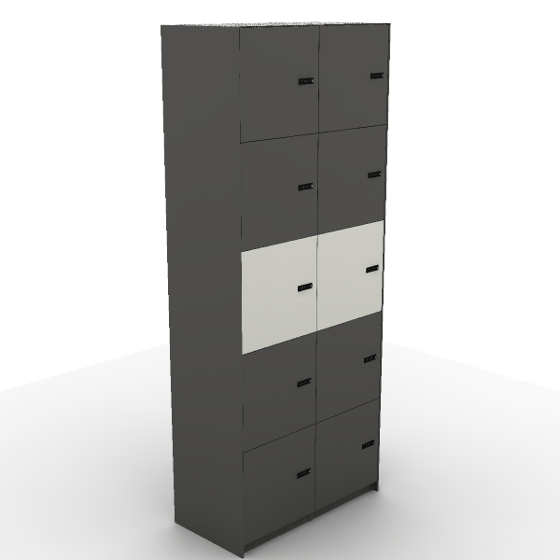 | Material Description: 1)Ten-door locker with combination lock (can be extended) 2)Cabinet: the main body surface covered with impregnated melamine paper. E0 grade particleboard 3)Edge Banding: the cabinet uses PVC edge banding strips, thickness 1mm 4)Lock: mechanical combination locks | 796*400*1,956 mm | Secondary color: S-59 Meteor Grey Main Color: S-57 Warm White | 1 | 0.18 m³ | 0.18 m³ | $225.00 | $225.00 | $1,500.00 | $1,500.00
11 | DG97A-2.038195 Extended lockers | 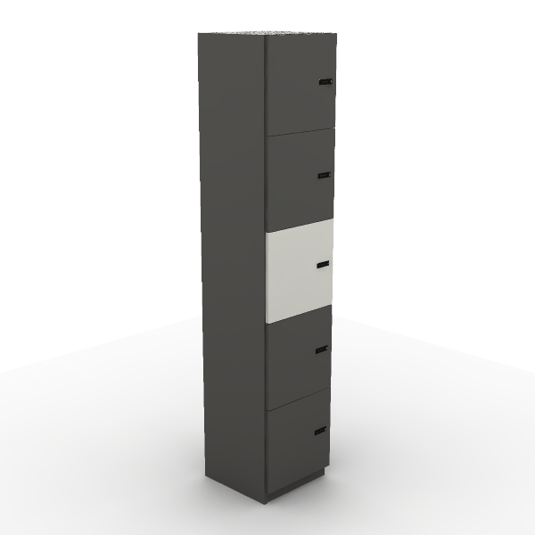 | Material Description: 1)Five-door combination lock locker with extension capability 2)Cabinet: the main body surface covered with impregnated melamine paper. E0 grade particleboard 3)Edge Banding: the cabinet uses PVC edge banding strips, thickness 1mm 4)Lock: mechanical combination locks | 389*379*1,956 mm | Secondary color: S-59 Meteor Grey Main Color: S-57 Warm White | 8 | 0.08 m³ | 0.66 m³ | $106.00 | $848.00 | $706.67 | $5,653.33
12 | GC27-2.120045 48“ Plant Storage | 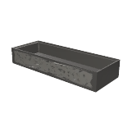 | Material Description: 1)Cabinet: surface electrostatic powder coating, thickness≥0.8mm. | 1,200*450*200 mm | Main Color: Meteor Grey | 2 | 0.13 m³ | 0.26 m³ | $26.00 | $52.00 | $173.33 | $346.67
13 | GC91-2.120045 Storage Cabinet with Open Shelf | 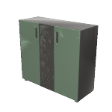 | Material Description: 1)Cabinet: surface electrostatic powder coating, thickness≥0.8mm. 2)Hinges: damping buffer hinge 3)Lock: ordinary front lock 4)Handles: ABS 5)Cabinet Legs: ABS material | 1,200*450*1,090 mm | Cabinet color: Meteor Grey Door Color: Ivory White Handle color: Meteor Grey | 2 | 0.74 m³ | 1.49 m³ | $137.50 | $275.00 | $916.67 | $1,833.33
14 | COL61SW-2 Olive II Chair | 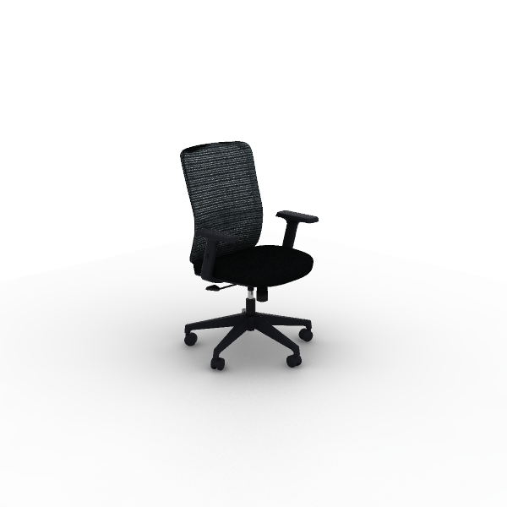 | Material Description: 1)Finishing: high-quality mesh, seat cushion optional high-quality linen fabric, dry rubbing fastness ≥ 4, abrasion resistance ≥ 6000 cycles 2)Chair Back: nylon + 30% fiberglass integrated back frame 3)Seat Cushion: molded foam, density ≥ 55kg/m3, equipped with E1 grade bentwood board, PP seat shell, weight capacity 136kg 4)Armrests: adjustable PU armrests 5)Chair Bases: Zhongtai mechanism 6)Gas Cylinder: SAMHONGSA class 3 gas cylinder, Stroke:85±3mm 7)5-Star Bases: 640mm diameter nylon 5-star base 8)Chair Casters: PA casters Function Description: 1)Lumbar Support Adjustment: vertical and rotation adjustment by 40° each 2)Height-Adjustable Armrests: armrests adjustable vertically by 70mm 3)Chair Base Adjustment: STG backrest synchronous tilt, single-position initial lock, knob adjustable tilt tension | 665*615*940 mm | Back: C-AK02 Grey Seat: C-AC06 Black Lumbar Support: CW-AN21H Grey | 39 | 0.23 m³ | 8.81 m³ | $67.00 | $2,613.00 | $446.67 | $17,420.00
15 | lido 6px | 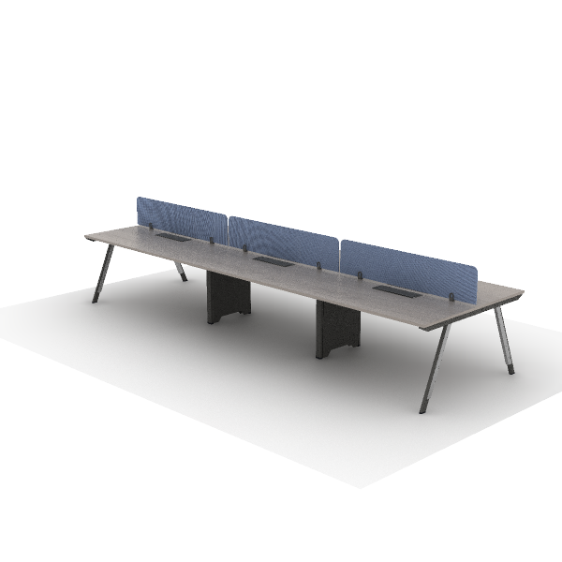 | Material Description: 1)Straight employee desk, steel legs on both sides 2)Tabletop: 25mm, surface uses impregnated melamine paper for excellent stability, superior layering, strong resistance to dirt and wear; E0 grade particle board 3)Edge banding: the tabletop uses PVC edge banding strips, thickness 2.5mm 4)Beam: high-quality cold-rolled steel, with an electrostatic powder coating on the surface, 1.5mm thickness |  |  | 2 | 1.89 m³ | 3.78 m³ | $645.00 | $1,290.00 | $4,300.00 | $8,600.00
16 | lido 8px | 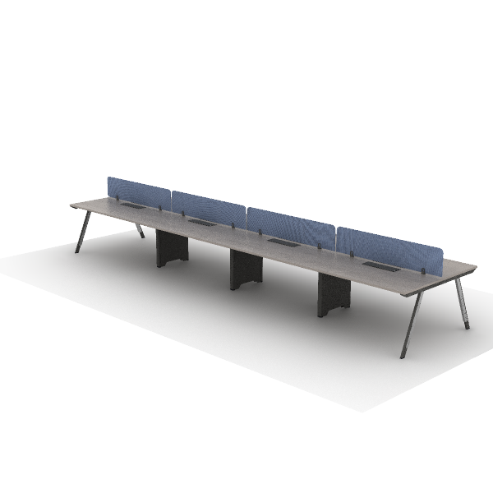 | Material Description: 1)Straight employee desk, steel legs on both sides 2)Tabletop: 25mm, surface uses impregnated melamine paper for excellent stability, superior layering, strong resistance to dirt and wear; E0 grade particle board 3)Edge banding: the tabletop uses PVC edge banding strips, thickness 2.5mm 4)Beam: high-quality cold-rolled steel, with an electrostatic powder coating on the surface, 1.5mm thickness |  |  | 2 | 2.49 m³ | 4.97 m³ | $849.00 | $1,698.00 | $5,660.00 | $11,320.00
17 | triceta | 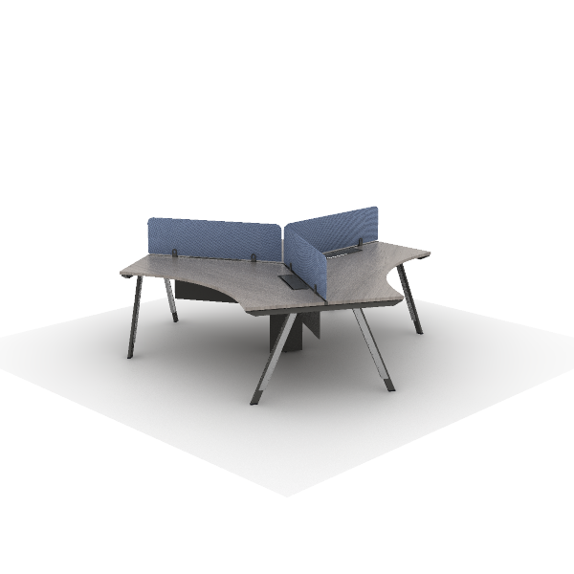 | Material Description: 1)Tabletop: 25mm, surface uses impregnated melamine paper for excellent stability, superior layering, strong resistance to dirt and wear; E0 grade particle board 2)Edge banding: the tabletop uses PVC edge banding strips, thickness 2.5mm 3)Beam: high-quality cold-rolled steel, with an electrostatic powder coating on the surface, 1.5mm thickness 4)Uplift Box: high-quality cold-rolled steel, with an electrostatic powder coating on the surface, thickness 0.7mm 5)Modesty Panel: 8mm thickness, surface covered with impregnated melamine paper for excellent stability, superior layering, and strong resistance to dirt and wear. E0 grade MDF |  |  | 3 | 1.32 m³ | 3.96 m³ | $545.50 | $1,636.50 | $3,636.67 | $10,910.00
- 1.3 MEETING ROOM |  |  |  |  |  |  |  | - 1.3 MEETING ROOM Tot.Price : | $3,937.00 |  | $26,246.67 | $0.00
18 | DU76.120120 Round occasional table | 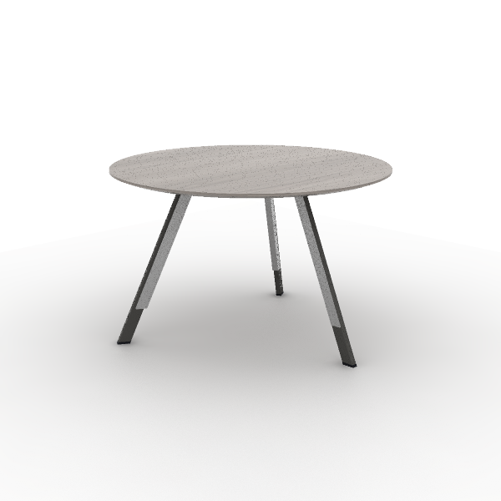 | Material Description: 1)Round negotiation table 2)Tabletop: 25mm, surface uses impregnated melamine paper for excellent stability, superior layering, strong resistance to dirt and wear; E0 grade particle board 3)Edge banding: the tabletop uses PVC edge banding strips, thickness 2.5mm 4)Table Legs: angled steel legs, high-quality cold-rolled steel, 1.5~2.0mm, surface electrostatic powder coating. 5)Aluminum Strip: Made of AL6063-T5 aluminum alloy, cross-sectional thickness 1mm~1.5mm, with surface anodized treatment | 1,200*1,200*750 mm | Primary Color: S-84 Kata grey oak Metal Color: Meteor Grey Textured | 2 | 0.15 m³ | 0.30 m³ | $106.00 | $212.00 | $706.67 | $1,413.33
19 | CLG65SW Locke Task Chair |  | Material Description: 1)Finishing: high-quality mesh, dry rubbing fastness ≥ 4, abrasion resistance ≥ 12000 cycles 2)Chair Back: nylon + 30% fiberglass integrated back frame 3)Seat Cushion: molded foam, density ≥ 55kg/m3, equipped with E1 grade bentwood board, PP seat shell, weight capacity 136kg 4)Armrests: 4D, PU armrests 5)Chair Bases: Zhongtai mechanism 6)Gas Cylinder: SAMHONGSA class 3 gas cylinder, Stroke:82±3mm 7)5-Star Bases: 700mm diameter nylon 5-star base 8)Chair Casters: PU casters Function Description: 1)Lumbar Support Adjustment: vertical adjustment by 50mm 2)4D Quick Installation Armrests:uses quick installation design, armrests adjustable vertically by 70mm,rotatable left and right by 15°,forward and backward sliding by 30mm,width adjustable by 16mm | 665*585*1,020 mm | Back & Lumbar Support: CW-HD14 Cloudy Gray Seat: TM-LE10 Dark Night Blac | 28 | 0.19 m³ | 5.24 m³ | $105.00 | $2,940.00 | $700.00 | $19,600.00
20 | juntas lido | 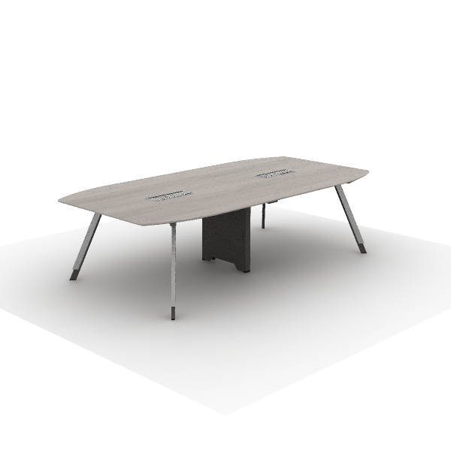 | Material Description: 1)Irregular-shaped conference table 2)Tabletop: 25mm, surface uses impregnated melamine paper for excellent stability, superior layering, strong resistance to dirt and wear; E0 grade particle board 3)Edge banding: the tabletop uses PVC edge banding strips, thickness 2.5mm 4)Table Legs: angled steel legs, high-quality cold-rolled steel, 1.5~2.0mm, surface electrostatic powder coating. 5)Aluminum Strip: Made of AL6063-T5 aluminum alloy, cross-sectional thickness 1mm~1.5mm, with surface anodized treatment 6)Beam: high-quality cold-rolled steel, with an electrostatic powder coating on the surface, 1.5mm thickness 7)Cable Box: dual-flip cover, made of aluminum alloy |  |  | 2 | 0.95 m³ | 1.90 m³ | $392.50 | $785.00 | $2,616.67 | $5,233.33
- 1.4 COLABORATIVE |  |  |  |  |  |  |  | - 1.4 COLABORATIVE Tot.Price : | $5,574.50 |  | $37,163.33 | $0.00
21 | DG11-2.240110 M cabinet Bar-height table w/shelves | 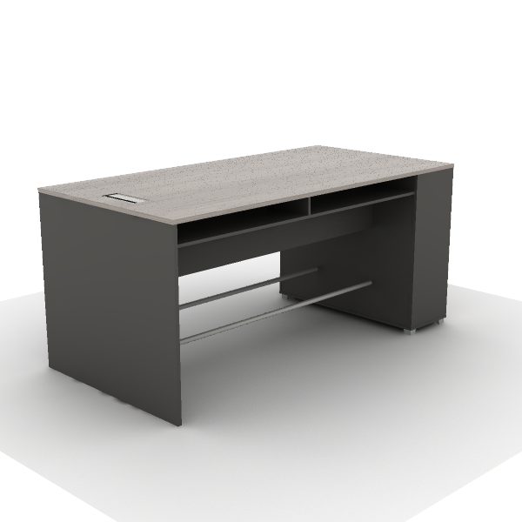 | Material Description: 1)Rectangular negotiation table 2)Tabletop: 25mm, surface uses impregnated melamine paper for excellent stability, superior layering, strong resistance to dirt and wear; E0 grade particle board 3)Edge banding: the tabletop uses ABS laser edge banding strips, thickness 2.5mm 4)Beam: high-quality cold-rolled steel, with an electrostatic powder coating on the surface, 1.5mm thickness 5)Cable Box: integrated flip-top multifunctional cable box, made of aluminum alloy + ABS 6)Uplift Box: high-quality cold-rolled steel, with an electrostatic powder coating on the surface, thickness 0.7mm 7)Sliding Door Kit: sliding door upper and lower wheels + damper | 2,400*1,200*1,100 mm | Main Color: S-84 Kata grey oak Match color : S-59 Meteor Grey | 2 | 0.33 m³ | 0.66 m³ | $359.00 | $718.00 | $2,393.33 | $4,786.67
22 | DMC78.180128L MixCube Conference Table | 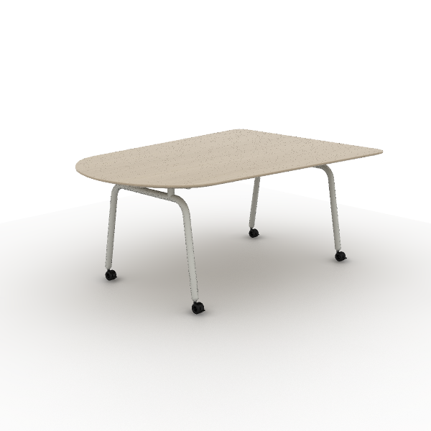 | Material Description: 1)Special-shaped Movable Meeting Table，steel Legs with swivel wheels in two sides 2)Tabletop: 25mm, surface uses impregnated melamine paper for excellent stability, superior layering, strong resistance to dirt and wear; E0 grade particle board 3)Tabletop:25mm thickness, surface material is impregnated film paper,E0 grade particleboard 4)Edge banding: the tabletop uses PVC edge banding strips, thickness 2.5mm 5)Pull Rod: made of high-quality cold-rolled steel, with an electrostatic powder coating on the surface, thickness 1.5mm 6)Desk Legs:V-shaped steel legs,Q195 steel φ40mm round tube,1.5mm wall thickness,electrostatic powder coating in surface 7)Casters: Screw-Driven Hollow caster with brakes, PU 8)Adjustable feet:Adjustable, made of ABS + premium steel | 1,800*1,280*750 mm | Main Color: S-77 White Oak Steel Color: Sand Ivory White | 1 | 0.35 m³ | 0.35 m³ | $205.50 | $205.50 | $1,370.00 | $1,370.00
23 | GC05-2.090045 Storage Cabinet with Doors | 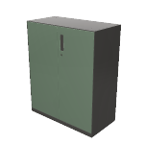 | Material Description: 1)Cabinet: surface electrostatic powder coating, thickness≥0.8mm. 2)Hinges: damping buffer hinge 3)Lock: ordinary front lock 4)Handles: ABS | 900*450*1,090 mm | Main Color: Meteor Grey Door Color: Matte white Handle color: Meteor Grey | 5 | 0.56 m³ | 2.80 m³ | $102.50 | $512.50 | $683.33 | $3,416.67
24 | GC27-2.090045 36“ Plant Storage | 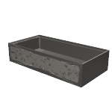 | Material Description: 1)Cabinet: surface electrostatic powder coating, thickness≥0.8mm. | 900*450*200 mm | Main Color: Meteor Grey | 5 | 0.10 m³ | 0.50 m³ | $21.00 | $105.00 | $140.00 | $700.00
25 | Model stool | 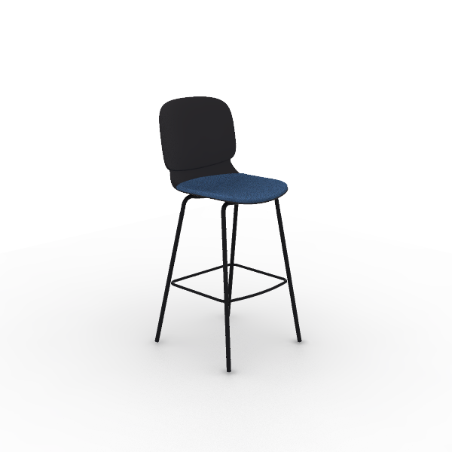 | Material Description: 1)Chair Body: PP integrated, molded 2)Chair Frame: steel frame, 19mm round tube, 1.8mm thickness, electrostatic powder coating surface 3)Leg nails: PP fixed nails |  |  | 12 | 0.29 m³ | 3.48 m³ | $42.50 | $510.00 | $283.33 | $3,400.00
26 | SG34.1.MR D3 Lounge Chairs Seating | 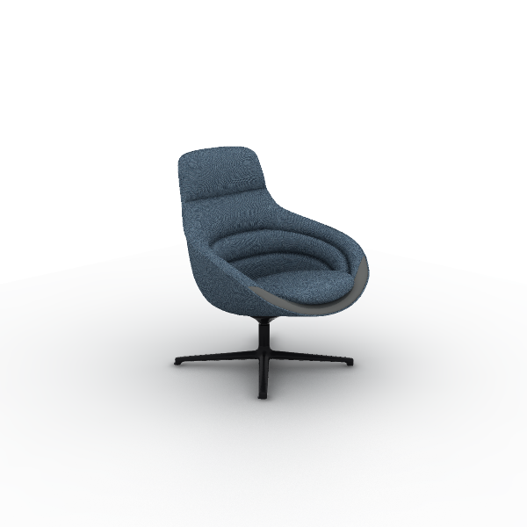 | Material Description: 1)Finishing: combination of leather and fabric, contact surface uses three-proof fabric, partial areas use first-layer Napa cowhide; three-proof fabric dry rubbing color fastness 3-4, wet rubbing color fastness ≥3, abrasion resistance ≥12,000 cycles, water resistance ≥3, oil resistance ≥4, stain resistance ≥4 2)Foam:molded, density ≥50kg/m3, with built-in welded steel frame 3)Sofa Legs: aluminum alloy Sofa Legs, electrostatic powder coating 4)Sofa Support Parts: steel pivot, 360° rotation, electrostatic powder coating 5)Tray: aluminum alloy tray, electrostatic powder coating | 780*770*940 mm | Main body: SM-SF80B Blue Inlay: TP-NP22H Rock gray | 2 | 0.46 m³ | 0.91 m³ | $305.50 | $611.00 | $2,036.67 | $4,073.33
27 | SH31.2.MR Flower 6 Lounge Modular Seating | 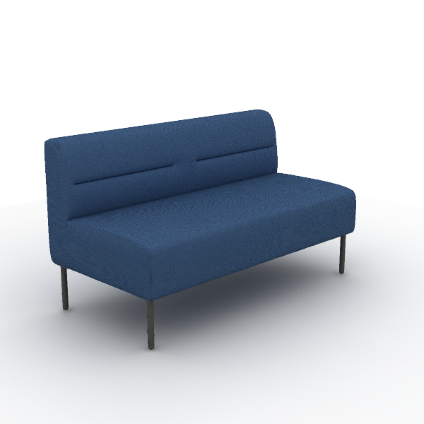 | Material Description: 1)Finishing: linen fabric, dry rubbing color fastness grade 3-4, wet rubbing color fastness ≥ grade 3, abrasion resistance ≥ 12,000 times 2)Foam: high resilience foam, seat density ≥30kg/m3, other parts ≥20kg/m3 3)Sofa Legs: steel Sofa Legs, electrostatic powder coating, 2.0mm hollow round tube | 1,300*650*740 mm | Color: TM-CI81B Dark Blue | 6 | 0.38 m³ | 2.29 m³ | $253.00 | $1,518.00 | $1,686.67 | $10,120.00
28 | SH57.100060 Flower 6 Occasional Tables | 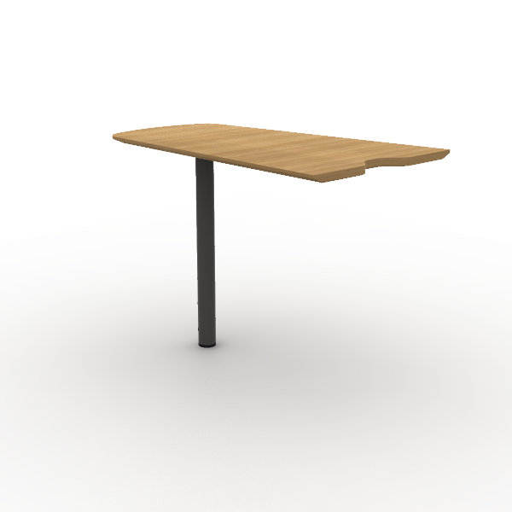 | Material Description: 1)Tabletop: 19mm,E0 grade plywood 2)Tabletop Edge Banding: natural wood veneer edge banding strips, thickness 1mm 3)Veneer:natural wood veneer ≥0.4mm on wood grain parts 4)Paint: uses water-based environmentally friendly paint 5)Sofa Legs: steel Sofa Legs, electrostatic powder coating, 1.5mm hollow round tube 6)Tray: steel tray, electrostatic powder coating, thickness ≥3mm | 600*1,000*720 mm | Color: W-23B Oak | 3 | 0.07 m³ | 0.20 m³ | $124.50 | $373.50 | $830.00 | $2,490.00
29 | DT209.060060 Round Occasional Table | 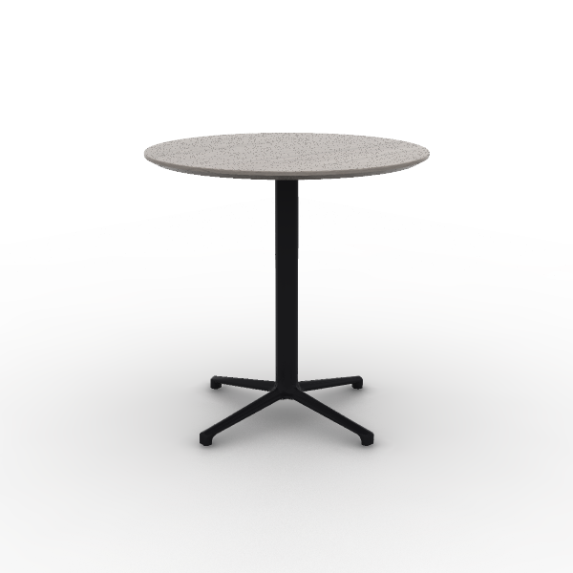 | Material Description: 1)Round coffee table 2)Tabletop: 18mm, surface uses impregnated melamine paper for excellent stability, superior layering, strong resistance to dirt and wear; E0 grade particle board 3)Edge banding: the tabletop uses PVC edge banding strios, thickness 1mm 4)Support Frame: round tube made of Q235 steel, 4-star bases in die-cast aluminum alloy, electrostatic powder coating | 600*600*600 mm | Surface Color: S-84 Kata grey oak Base Color: Matte black | 2 | 0.04 m³ | 0.08 m³ | $72.00 | $144.00 | $480.00 | $960.00
30 | T206.120060 Round 2 Tier Occasional Table | 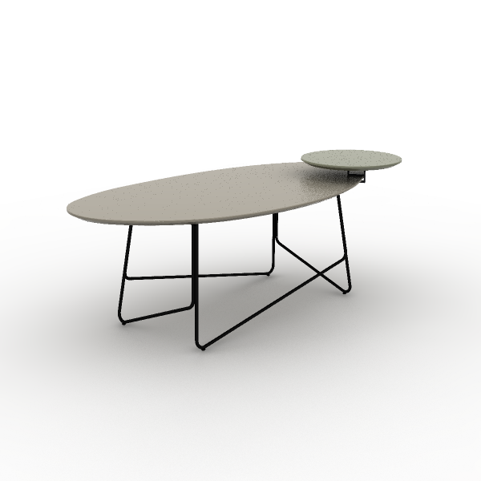 | Material Description: 1)Irregular-shaped coffee table with slender legs 2)Tabletop: 19mm, the majority of the board is made of E0 grade MDF 3)Tabletop edge banding:Wood-color configuration,tabletop:natural wood veneer edging with a thickness of 1mm;Non-wood Color Configuration:not apply edging to the tabletop. 4)Veneer:Wood-color configuration,Main components: ≥0.4mm natural wood veneer,Underside of the tabletop: ≥0.3mm scientific veneer; Non-wood Color Configuration: No wood veneer used. 5)Table Legs: round tube steel legs, electrostatic powder coating surface, 10mm diameter solid tube 6)Paint: uses water-based environmentally friendly paint | 1,200*600*480 mm | Surface Color: E-18 Phantom Gray Base Color: Matte Black | 1 | 0.14 m³ | 0.14 m³ | $153.00 | $153.00 | $1,020.00 | $1,020.00
31 | COL61SW-2 Olive II Chair |  | Material Description: 1)Finishing: high-quality mesh, seat cushion optional high-quality linen fabric, dry rubbing fastness ≥ 4, abrasion resistance ≥ 6000 cycles 2)Chair Back: nylon + 30% fiberglass integrated back frame 3)Seat Cushion: molded foam, density ≥ 55kg/m3, equipped with E1 grade bentwood board, PP seat shell, weight capacity 136kg 4)Armrests: adjustable PU armrests 5)Chair Bases: Zhongtai mechanism 6)Gas Cylinder: SAMHONGSA class 3 gas cylinder, Stroke:85±3mm 7)5-Star Bases: 640mm diameter nylon 5-star base 8)Chair Casters: PA casters Function Description: 1)Lumbar Support Adjustment: vertical and rotation adjustment by 40° each 2)Height-Adjustable Armrests: armrests adjustable vertically by 70mm 3)Chair Base Adjustment: STG backrest synchronous tilt, single-position initial lock, knob adjustable tilt tension | 665*615*940 mm | Back: C-AK02 Grey Seat: C-AC06 Black Lumbar Support: CW-AN21H Grey | 1 | 0.23 m³ | 0.23 m³ | $67.00 | $67.00 | $446.67 | $446.67
32 | CMJ14GH MJ Multipurpose |  | Material Description: 1)Fabric Combination: Inner seat with premium linen, dry rub fastness ≥4, abrasion resistance ≥6,000 times; outer back with PVC leather, fold endurance ≥30,000 times, no cracks 2)Chair Body: Cut cotton, density 25kg/m3 ±1.5, E1 grade bentwood seat, supports 102kg 3)Chair Frame: steel frame, 19mm round tube, 1.8mm thickness, includes a 14mm diameter, 463mm long reinforced round steel, powder-coated 4)Chair Casters: PA casters | 580*560*825 mm | Seat: TM-CI21B Grey Back: TP-PV27H Meteor Grey Base: Refined Ink Black | 4 | 0.21 m³ | 0.82 m³ | $64.00 | $256.00 | $426.67 | $1,706.67
33 | SCY.60.2.MR C6 Lounge Sofas | 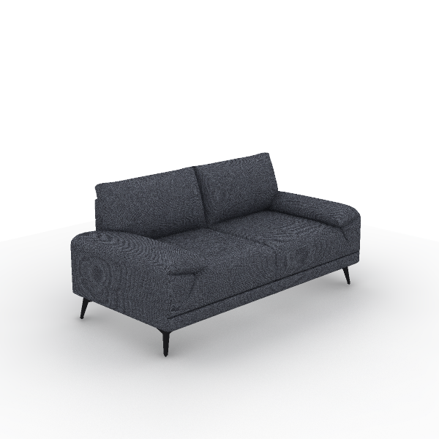 | Material Description: 1)Finishing: linen fabric, dry rubbing color fastness grade 3-4, wet rubbing color fastness ≥ grade 3, abrasion resistance ≥ 12,000 times 2)Foam:Backrest uses high-resilience foam,seat density ≥30kg/m3,other areas≥20kg/m3; armrests use latex foam+cut-back rebound sponge+ 6D polyester fabric 3)Sofa Legs:iron Sofa Legs,electrostatic powder coating,2mm thickness 4)Upholstery Filling:upholstery uses cut-back rebound sponge+6D polyester fabric, soft and comfortable | 1,600*820*780 mm | Fabric Color: SM-DF78 Deep Sea Blue | 2 | 1.00 m³ | 2.00 m³ | $200.50 | $401.00 | $1,336.67 | $2,673.33
- 1.5 KITCHEN |  |  |  |  |  |  |  | - 1.5 KITCHEN Tot.Price : | $653.50 |  | $4,356.67 | $0.00
34 | CPS10GS Plis Stackable Chair | 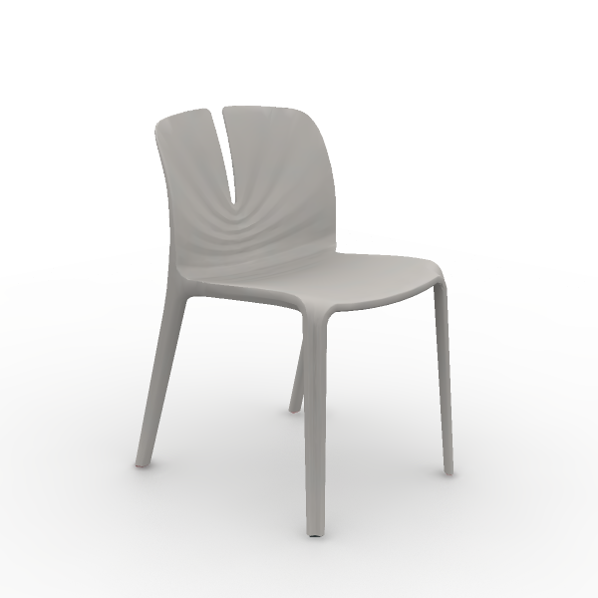 | Material Description: 1)Full Plastic Chairs: PP + 25% fiberglass integrated | 480*530*770 mm | Chair Frame: Gray White | 8 | 0.35 m³ | 2.80 m³ | $21.50 | $172.00 | $143.33 | $1,146.67
35 | CPS10GS Plis Stackable Chair | 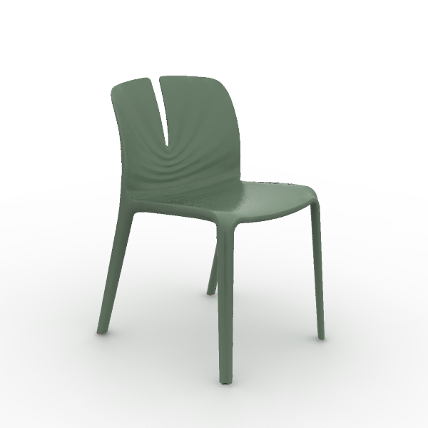 | Material Description: 1)Full Plastic Chairs: PP + 25% fiberglass integrated | 480*530*770 mm | Chair Frame: Morandi Green | 12 | 0.35 m³ | 4.20 m³ | $21.50 | $258.00 | $143.33 | $1,720.00
36 | DU54.280060 High single desk for two people | 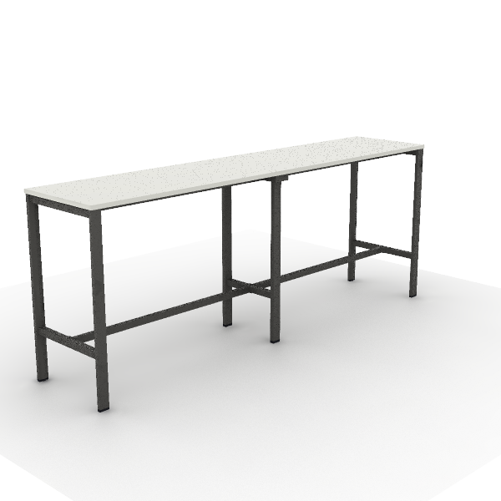 | Material Description: 1)Tabletop: 25mm, surface uses impregnated melamine paper for excellent stability, superior layering, strong resistance to dirt and wear; E0 grade particle board 2)Edge banding: the tabletop uses PVC edge banding strips, thickness 2.5mm 3)Table Legs: Loop leg in steel, high-quality cold-rolled steel, 1.5~1.8mm,surface electrostatic powder coating . 4)Middle Steel Legs: high-quality cold-rolled steel, 1.5~2.0mm, surface electrostatic powder coating. 5)Beam: high-quality cold-rolled steel, with an electrostatic powder coating on the surface, 1.5mm thickness | 2,800*600*1,100 mm | Primary Color: S-57 Warm White Metal Color: Meteor Grey Textured | 1 | 0.19 m³ | 0.19 m³ | $223.50 | $223.50 | $1,490.00 | $1,490.00
37 | XDB38 Balance Dining Table | 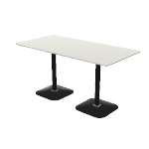 | Material Description: 1)Tabletop: 25mm multilayer board, HPL on both sides, R50 rounded corners 2)Table Legs: cafe table base 50x50x1.5mm Q195 steel post with R10 rounded corners; SPHC hot-rolled steel tray; plastic and iron sand counterweights covered with cold-rolled steel,electrostatic powder coating | 1,500*750*750 mm | Steel Color: Matte Black | 7 | 0.11 m³ | 0.77 m³ | $0.00 | $0.00 | $0.00 | $0.00
- 1.6 RECEPCIÓN |  |  |  |  |  |  |  | - 1.6 RECEPCIÓN Tot.Price : | $1,259.00 |  | $8,393.33 | $0.00
38 | T233.080080 S11 Occasional | 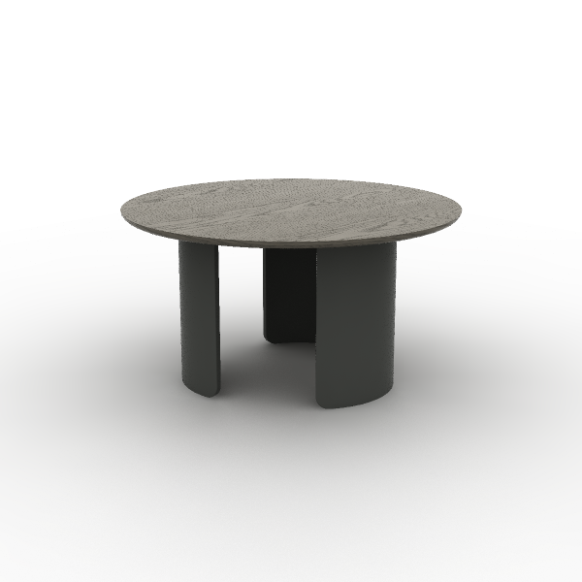 | Material Description: 1)Wooden base round coffee table 2)Tabletop: 19mm, the majority of the board is made of E0 grade MDF 3)Veneer:natural wood veneer ≥0.4mm on wood grain parts 4)Table legs: C-shaped wooden legs, R2mm beveled edges, eco-friendly finishing 5)Paint: uses water-based environmentally friendly paint | 800*800*420 mm | Surface Color: W-32B White Oak | 1 | 0.06 m³ | 0.06 m³ | $178.00 | $178.00 | $1,186.67 | $1,186.67
39 | ST37.2.MR D1 Lounge Modular Seating | 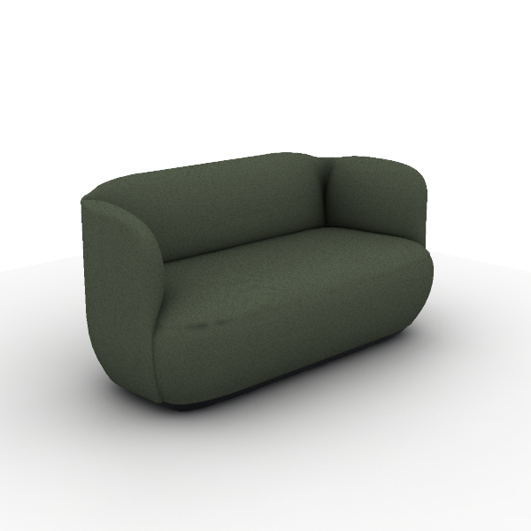 | Material Description: 1)Finishing: linen fabric, dry rubbing color fastness grade 3-4, wet rubbing color fastness ≥ grade 3, abrasion resistance ≥ 12,000 times 2)Foam: backrest uses molded foam, density ≥50kg/m3, resilience ≥35%, with welded steel frame; seat cushion uses high resilience foam, seat density ≥30kg/m3 3)Sofa Legs: E0 grade MDF, eco-friendly paint finish | 1,600*810*800 mm | Color: SM-PC62B Grass Green | 2 | 1.16 m³ | 2.32 m³ | $507.00 | $1,014.00 | $3,380.00 | $6,760.00
40 | COL61SW-2 Olive II Chair |  | Material Description: 1)Finishing: high-quality mesh, seat cushion optional high-quality linen fabric, dry rubbing fastness ≥ 4, abrasion resistance ≥ 6000 cycles 2)Chair Back: nylon + 30% fiberglass integrated back frame 3)Seat Cushion: molded foam, density ≥ 55kg/m3, equipped with E1 grade bentwood board, PP seat shell, weight capacity 136kg 4)Armrests: adjustable PU armrests 5)Chair Bases: Zhongtai mechanism 6)Gas Cylinder: SAMHONGSA class 3 gas cylinder, Stroke:85±3mm 7)5-Star Bases: 640mm diameter nylon 5-star base 8)Chair Casters: PA casters Function Description: 1)Lumbar Support Adjustment: vertical and rotation adjustment by 40° each 2)Height-Adjustable Armrests: armrests adjustable vertically by 70mm 3)Chair Base Adjustment: STG backrest synchronous tilt, single-position initial lock, knob adjustable tilt tension | 665*615*940 mm | Back: C-AK02 Grey Seat: C-AC06 Black Lumbar Support: CW-AN21H Grey | 1 | 0.23 m³ | 0.23 m³ | $67.00 | $67.00 | $446.67 | $446.67
 |  |  |  |  |  |  |  | 65.87 m³ | Tot.Price | $26,952.50 |  | $179,683.33

NOTE:
1) The alternative products in varying price ranges can be provided due to further requriement
2) Price would be adjusted as changed of specification/finishes
3) Formal purchase order, or signed & stamped proforma invoice are require to be provided before order proceeding
4) Upon order confirmation/delivery, changes, cancellation or return is unacceptable
5) The consignee of this purchase order is allowed to be nominated by the buyer
TERMS & CONDITIONS:
1) Trade Term:
2) Payment: BY ,
3) Delivery time:
4) Storage & Delivery: Sunon will arrange for free storage in their warehouse for max 10days after completion of production & ready for shipment. If client fails to arrange
the pick-up & delivery within this stipulated time frame, then Sunon shall charge an additional warehouse storage fee at the rate of 0.4% per day on all the finished orders
5) If the exchange rate or the price of raw materials fluctuated over 5% since the last quotation offering date, Sunon has the right to adjust the prices accordingly
6) Validity: Before
7) SHIPMENT: 10% MORE OR LESS IN QUANTITY AND AMOUNT ARE ALLOWED
BANK INFORMATION:
1) BANK NAME:
2) BENEFICIARY:
3) BENEFICIARY'S ADDRESS:
4)
5) ACCOUNT NUMBER:
6) BANK ADDRESS:
7) POST CODE:
 |  | For Buyer |  |  |  |  |  |  | For Seller
 |  | Authorized Signature or Seal |  |  |  |  |  |  | Authorized Signature or Seal

